What is Polynomial Regression
1.(THEORY)POLYNOMIAL REGRESSION | REFERENCE

① WHAT IS POLYNOMIAL REGRESSION ? | ⇰REFERENCE (Website)-->Udemy (Polynomial Regression Regarding Theory Portion in Polynomial Regression

⇰As you know, we just completed a linear regression task, allowing us to predict future label values given a set of features.However, we didn't actually have a way to adjust or improve the model, so how can we now improve on just a linear regression model? The answer is Polynomial Regression ⇰Here Basically We will Learn How to Perform Polynomial Regression & How to choose Optimum Degree of Order (Polynomial) in after understanding considering Model Complexity and Prediction of Error (Comparing Training and Test Data).

⇰Polynomial Regression is a form of linear regression in which the relationship between the independent variable x and dependent variable y is modeled as an nth degree polynomial. Polynomial regression fits a nonlinear relationship between the value of x and the corresponding conditional mean of y, denoted E(y |x). ⇰ Polynomial regression, abbreviated E(y |x), describes the fitting of a nonlinear relationship between the value of x and the conditional mean of y. It usually corresponded to the least-squares method. | ⇰REFERENCE (Website)-->Geeks for Geeks Regarding Thereotial Definition & Meaning of Polynomial Regression

 | ⇰REFERENCE (Website)-->Analytics Vidhya Regarding Thereotical Definition of Polynomial Regression

 | ⇰REFERENCE (Website)--> Java T Point Regarding Thereotical Definition & Figurative Illustration in Polynomial Regression

 | ⇰REFERENCE (Website)-->Udemy (Polynomial Regression Regarding Theory Portion in Polynomial Regression

② NEED OR MOTIVATION FOR POLYNOMIAL REGRESSION

⇰ There's actually two issues that polynomial regression is going to address for us. ❶Non Linear Feature Relationship to The Label ∎If a non-linear model is present and you try to cover it using a linear model, it will cover no data points. Hence, a polynomial model is used to ensure that the data points are covered. That said, a curve will be suitable for covering most data points using polynomial models instead of a straight line. Let 's Understand with Image Illustration. | ⇰REFERENCE (Website)-->Udemy (Polynomial Regression Regarding Theory Portion in Polynomial Regression

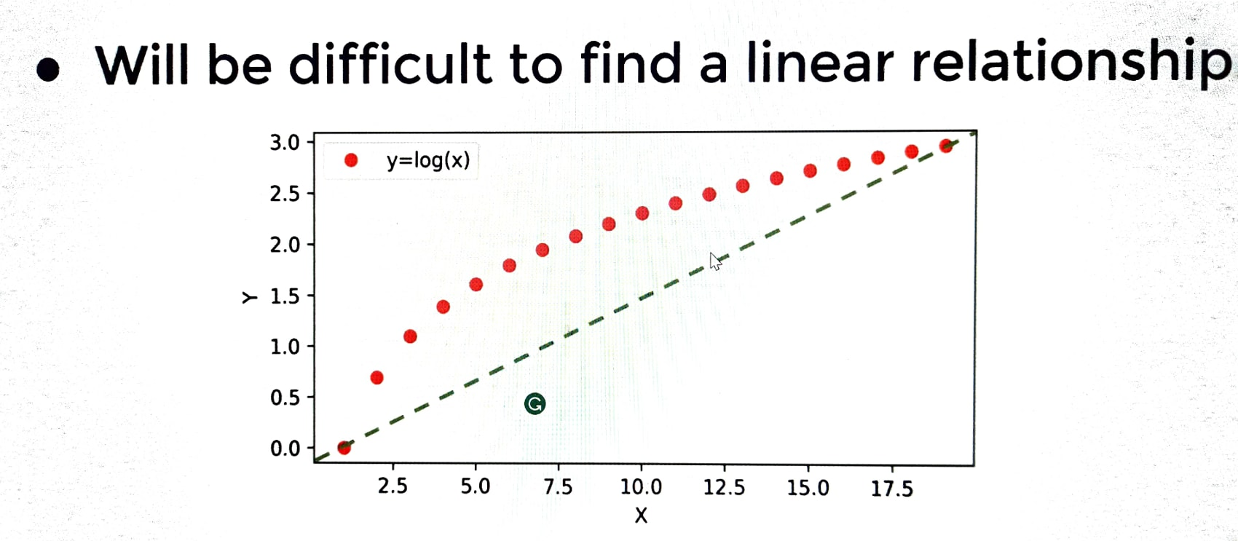 | ⇰REFERENCE (Website)-->Udemy (Polynomial Regression Regarding Theory Portion in Polynomial Regression

 | ⇰REFERENCE (Website)-->SimpleLearn Regarding Udemy Thereotical & Practical Implementation of Why We need Polynmial Regr is Suitable for Non Linear Dataset

TRAIN|TEST SPLIT
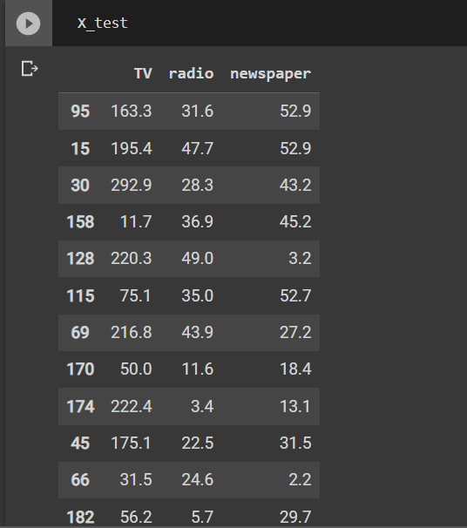
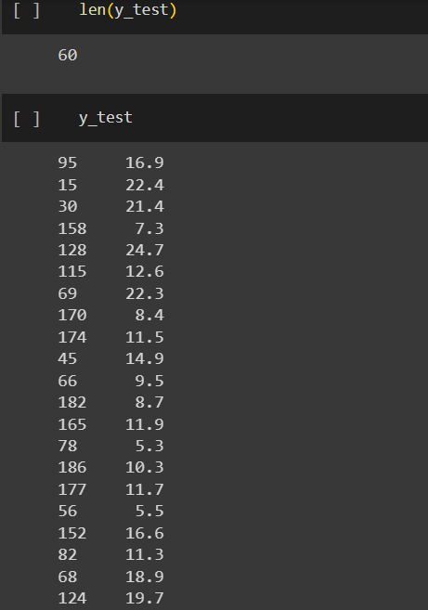
TRAIN | TEST | SPLIT

⇰REFERENCE (WEBSITE)-->Udemy Regarding Train_Test_Split
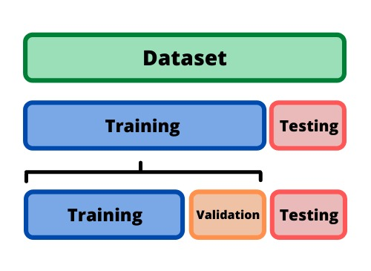 ⇰DEFINITION OF TRAIN-TEST-SPLIT →To fairly evaluate my model's performance, I don't want to evaluate it on the same data it was trained at. First we separates out the features and then it separates out the labels Further we'll separate out a training set and a test set Which Further Subdivide into 4 Components --> X train and Y train and then X test and y test the weights.

PARAMETERS FOR TRAIN | TEST | SPLIT | REFERENCE

⇰X_train→X_train Contains the Values of The Features (X1(Newspaper) ,X2(Radio) , X3(Television) This includes your all independent variables,these will be used to train the model, also as we have specified the test_size = 0.4, this means 60% of observations from your complete data will be used to train/fit the model and rest 40% will be used to test the model. | ⇰REFERENCE (Website)--> Stackoverflow Regarding TRAIN-TEST-SPLIT

⇰X_test→This is remaining 40% portion of the independent variables [Features(X1(Newspaper) ,X2(Radio) , X3(Television)] from the data which will not be used in the training phase and will be used to make predictions to test the accuracy of the model.
 | ⇰REFERENCE (Website)-> Stackoverflow RegardingTRAIN-TEST-SPLIT

⇰y_train→This is your dependent variable which needs to be predicted by this model, this includes category labels against your independent variables (Output =Total Sales), we need to specify our dependent variable while training/fitting the model.

 | ⇰REFERENCE (Website)-->(1.2 Google Colab Linear Regression Regarding Practical Implementation (Coding) of TRAIN | TEST SPLIT
⇰y_test→This data has category labels (Dependent Variable) (Output = Total Sales) for your test data, these labels will be used to test the accuracy between actual and predicted categories.

⇰test_size→test_size is the number that defines the size of the test set. It's very similar to train_size . You should provide either train_size or test_size . If neither is given, then the default share of the dataset that will be used for testing is 0.25 , or 25 percent. Especially in This Case test_size is 0.3 or 30% of Total Data Size.
 | ⇰REFERENCE (Website)-> Scikit Learn Regarding TRAIN-TESTS-SPLIT

⇰Random_state →Random_state is used to set the seed for the random generator so that we can ensure that the results that we get can be reproduced. Because of the nature of splitting the data in train and test is randomised you would get different data assigned to the train and test data unless you can control for the random factor. ↔Example-->For example, imagine you have numbers: 1,2,3,4,5 and you want to select two random numbers. Without using a random_state you would get different things: i.e. first 2,5 then 3,4 and so on.When you control the random generator by setting the random state to 0, 1 or another number, everyone would get the same random numbers generated: i.e random_state=1 then the random numbers are 1,3 and everyone who will pick two random numbers using random_state=1 from 1,2,3,4,5 will get the same two numbers as you: 1,3. →The random state hyperparameter is used to control any such randomness involved in machine learning models to get consistent results. We can use cross-validation to mitigate the effect of randomness involved in machine learning models. →Reason For Random State Usage--> ❶. We need t
 | ⇰REFERENCE (Website)-> Real Python Regarding TRAIN-TESTS-SPLIT

 | ⇰REFERENCE (Website)--> Geeks For Geeks Regarding Practical Impelentation (Coding) of TRAIN | TEST SPLIT

 | ⇰REFERENCE (Website)-> Scikit Learn Regarding TRAIN-TESTS-SPLIT

 | ⇰REFERENCE (Website)-> Real Python Regarding TRAIN-TESTS-SPLIT

⇰Shuffle Split→shuffle is the Boolean object (True by default) that focus on whether to shuffle the dataset before applying the split. →Reason For Random State Usage--> ❶.The other reason that we have a random state here is because what Sk learn is going to do when it calls train test split is it's actually going to shuffle the arrays first.So you'll notice here that it actually is calling a shuffle split.That's why main reason it's calling a shuffle split. ❷.If we See almost any Data set We can tell that more or less my data appears to be in no sort of sorted order.But for other data sets, it's not uncommon that when you read it in, it's actually already sorted for you. What we don't want to do is if our data set is in some sort of order or sorted is grab the first 70% of the rows for the train set and then the last 30% for the test set. Instead, we want to make sure that we shuffle everything first and then grab the 70% and 30%.That way I don't have an accidentally ordered data set and the test set happens to be all the highest sales and the training set is the lowest 70% of sales. That could be really dangerous as far as fairly evaluating and training your model.So instead we just alleviate any issues of that by shuffling the data set first.

 | ⇰REFERENCE (Website)-->(1.2 Google Colab Linear Regression Regarding Practical Implementation (Coding) of TRAIN | TEST SPLIT

 | ⇰REFERENCE (Website)--> 1.3 Google Colab (Polynomial Regression) Regarding Practical Implementation (Coding) of TRAIN | TEST SPLIT

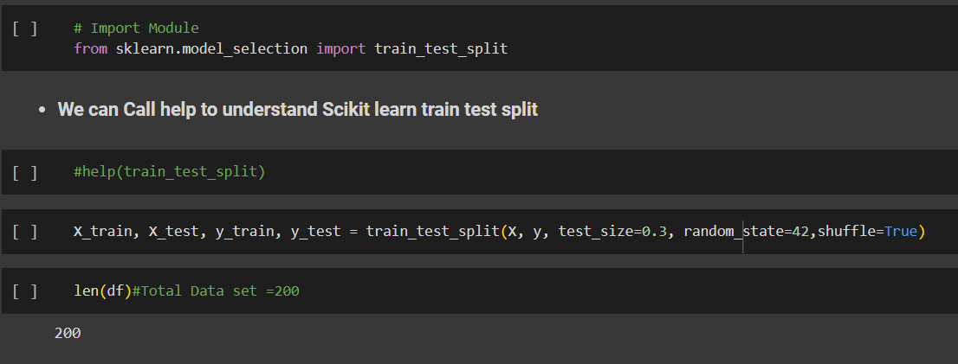 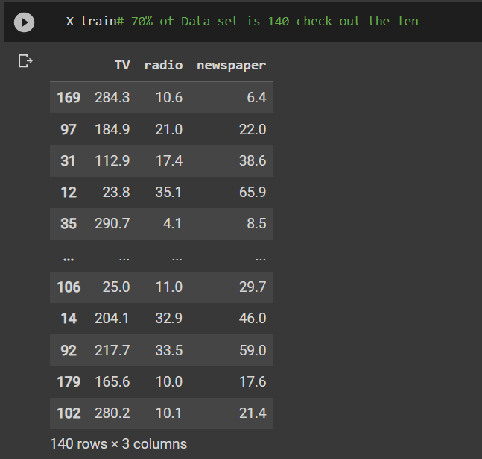 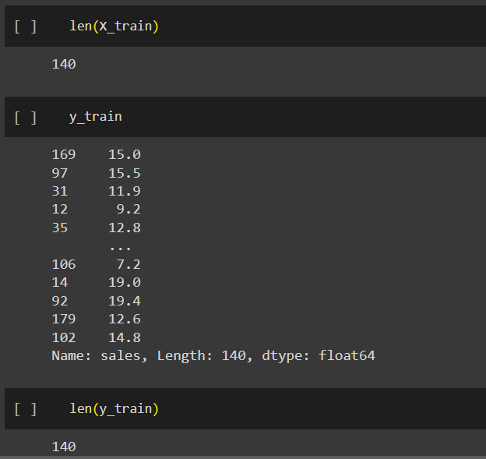 | ⇰REFERENCE (Website)-->(1.2 Google Colab Linear Regression Regarding Practical Implementation (Coding) of TRAIN | TEST SPLIT

 | ⇰REFERENCE (Website)-->(1.3 Google Colab Polynomial Regression Regarding Practical Implementation (Coding) of TRAIN | TEST SPLIT

Bias Variance Trade off
2. (THEORY) BIAS VARIANCE TRADE OFF | REFERENCE

⇒REFERENCE (Excel Sheet) --> Degree & Other Hyper Parameter 's Implementation from Polynomial Regression | ⇰REFERENCE (Website)-->Scikit Learn Regarding Various Hyper Parameter For Polynomial Feature

⇒REFERENCE (Udemy)-->Udemy Regarding Polynomial Regression & Creation of Polynomial Features & Various Hyper Parameters

① WHY DO WE NEED OR WHAT 'S THE MOTIVATION BEHIND BIAS VARIANCE TRADE OFF ? | ⇰REFERENCE (Website)-->Udemy Video Regarding BIAS -VARIANCE TRADEOFF 's Thereotical Knowledge & Meaning | 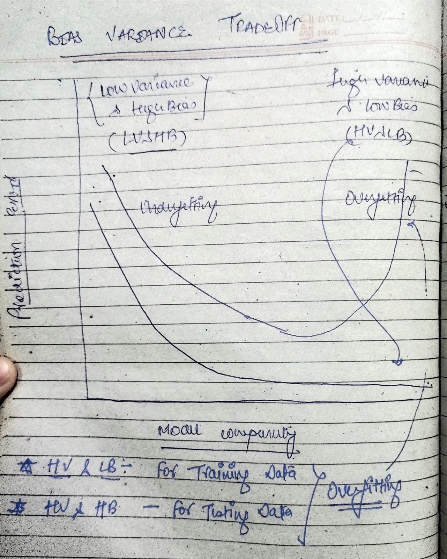

⇰So we've seen already that a higher order polynomial model performs significantly better than a standard linear regression model from the previous project.But how can we actually choose the optimal degree for the polynomial? ⇰Should we go to the third degree, fourth degree ?Fifth degree?What's to stop us from going to a very large degree and accounting for each possible fluctuation in our data set?What tradeoffs are we to consider as we increase model complexity? That 's Why We need Bias Variance Trade Off.

②WHAT IS BIAS VARIANCE TRADE OFF ?
⇰In general, increasing model complexity and search for better performance leads to what is known as the bias variance tradeoff.We want to have a model that can generalize well to new unseen data, but can also account for variance and patterns in the known training data. ⇰Extreme bias or extreme variance can both lead to really poor performing models. ❶ Bias (Meaning) ↔Bias is the difference between the average prediction of our model and the correct value which we are trying to predict. Model with high bias pays very little attention to the training data and oversimplifies the model. It always leads to high error on training and test data. ❷Variance (Meaning) ↔Variance is the variability of model prediction for a given data point or a value which tells us spread of our data. Model with high variance pays a lot of attention to training data and does not generalize on the data which it hasn’t seen before. As a result, such models perform very well on training data but has high error rates on test data. | ⇰REFERENCE (Website)-->Medium Regarding Overall Definition & Thereotical Implementation of Bias Variance Trade off & Porper Meaning of Bias &Variance

 | ⇰REFERENCE (You Tube) -->5 Minutes Engineering Regarding Bias & Variance Explanation in Hindi

 | ⇰REFERENCE (You Tube)-->5 Minutes Engineering Regarding Bias & Variance Trade off

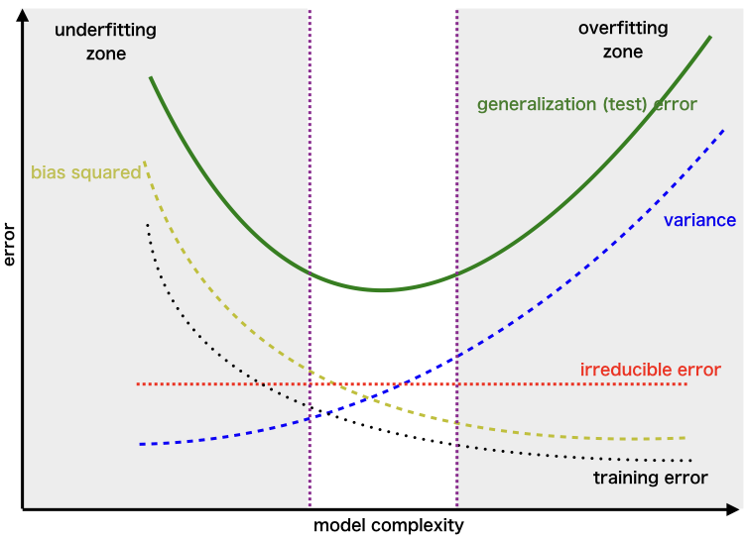 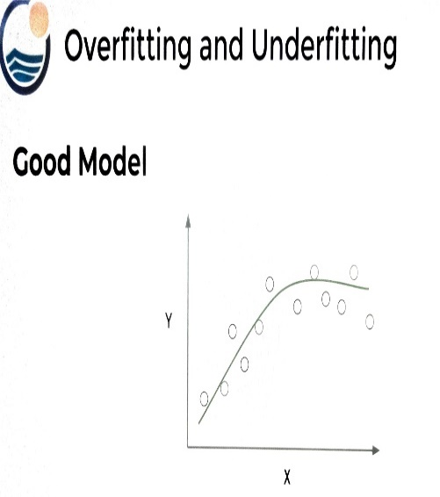 | ⇰REFERENCE (Website)-->Geeks for Geeks Regarding Visualization of Bias Variance Trade off

 | ⇰REFERENCE (Website)-->Scikit Learn Regarding Various Hyper Parameter For Polynomial Feature

 |  | ⇰REFERENCE (Website)--> Research Gate Regarding Snapshot of Bias Variance Tradeoff (Underfitting vs Overfitting) as well as Various Model Complexity Having Varied Type of Fitting (Good Fit vs Bad Fit vs Overfit)

③UNDERFTTING VS OVERFITTING | ⇰REFERENCE (You Tube)-->5 Minutes Engineering Regarding Overfitting & Underfitting
⇰OVERFITTING ❶Overfitting is when the model fits too much to the noise or variance from the data.This often results in low error on training sets, but high error on test or validation sets.This is why overfitting can sometimes be a little hard to catch because you may think your model is performing really well when in fact it's only performing well on the training set instead of performing well to unseen data & Even Because of That's Why it is too Dangerous because it can mislead you due to high performance metrics on the training set. ❷ (Visualization) What happens if the model over fits? Let's imagine that these points are our training data set.If we have a model that over fits, it means it's picking up too much noise from all the data.Now, visually, we can see this model is clearly not a good model choice.But what's the actual error? ∎If this was training data?You'll notice it's hitting every single point.Which means if you were to try to calculate the root mean squared error or mean absolute error on this particular data set for this particular model, you would actually get a training error of zero. ∎Notice again here the model is fitting perfectly on the training data set because it's way over fitted to the training data set.That means it's not going to generalize well to new unseen data. ∎That's why it's so important to perform things like CROSS VALIDATION and train test splits and to also consider TRAINING VS TESTING ERROR when you're deciding on model complexity.

 | ⇰REFERENCE (Website)-->Scikit Learn Regarding Various Hyper Parameter For Polynomial Feature

 | ⇰REFERENCE (Website)-->Udemy Regarding Polynomial Regression & Creation of Polynomial Features & Various Hyper Parameters

 | ⇰REFERENCE (Website)--> Research Gate Regarding Snapshot of Bias Variance Tradeoff (Underfitting vs Overfitting) as well as Various Model Complexity Having Varied Type of Fitting (Good Fit vs Bad Fit vs Overfit)

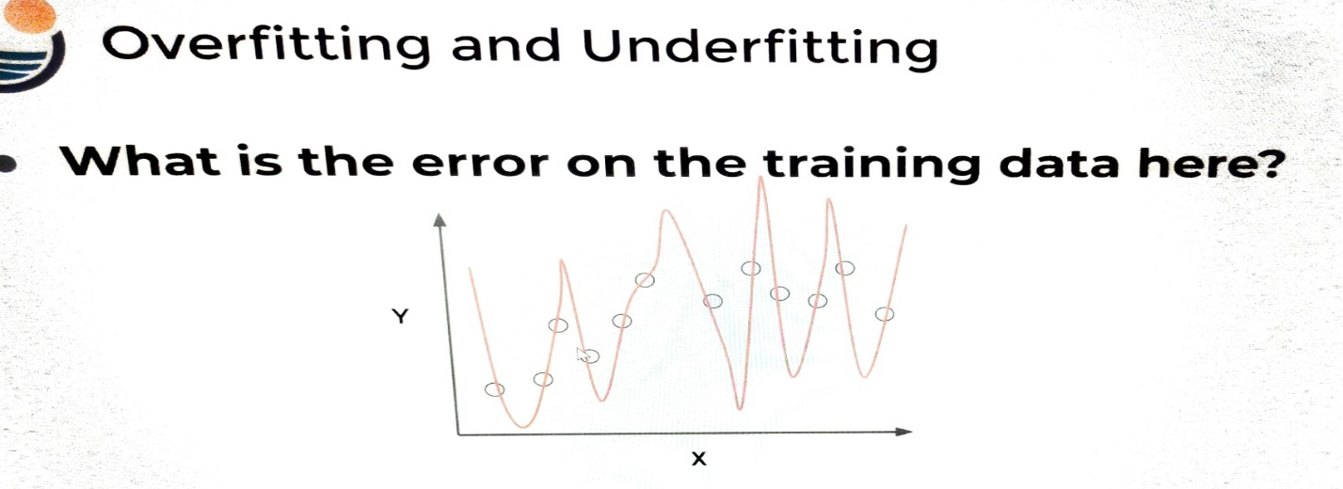

 | ⇰REFERENCE (Website)-->Geeks for Geeks Regarding Visualization of Bias Variance Trade off

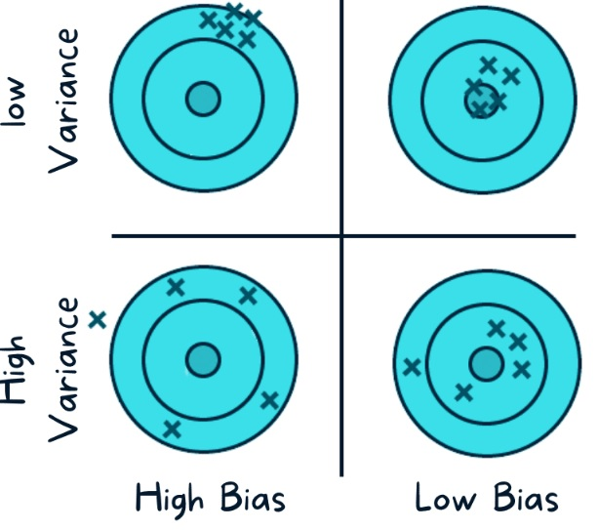 | ⇰REFERENCE (Website)-->Data Science Tutorials Regarding Bias Variance Trade Off (Screenshot) of Bias Variance Tradeoff

 |  | ⇰REFERENCE (Website)-->Data Science Tutorials Regarding Bias Variance Trade Off (Screenshot) of Bias Variance Tradeoff

 | ⇰REFERENCE (Website)-->Udemy Regarding Polynomial Regression & Creation of Polynomial Features & Various Hyper Parameters

 | ⇰REFERENCE (Website)-->Scikit Learn Regarding Various Hyper Parameter For Polynomial Feature

⇰UNDERFITTING ❶Underfitting is basically when you have too much bias (Diff Average Prediction vs Correct Value), the model does not capture the underlying trend of the data well enough and does not fit to the training data.So we have low variance, but high bias and under fitting is often a result of an excessively simple model. ❷(VISUALIZATION) Again, consider the same data set as before.If we were to under fit, that means we have a very simple model such as just a linear fit.And so while it may perform well for certain training points, a certain test points, eventually you'll see that for other unseen test points we've generalized too much and we're not fitting too well to either the training set or the test set.So when you under a model has too much bias and is generalizing (Broad) too much under fitting can lead to poor performance on both the training set and the testing data set. | ⇰REFERENCE (You Tube)-->5 Minutes Engineering Regarding Overfitting & Underfitting

 | ⇰REFERENCE (Website)-->Scikit Learn Regarding Various Hyper Parameter For Polynomial Feature

 | ⇰REFERENCE (Website)-->Udemy Regarding Polynomial Regression & Creation of Polynomial Features & Various Hyper Parameters

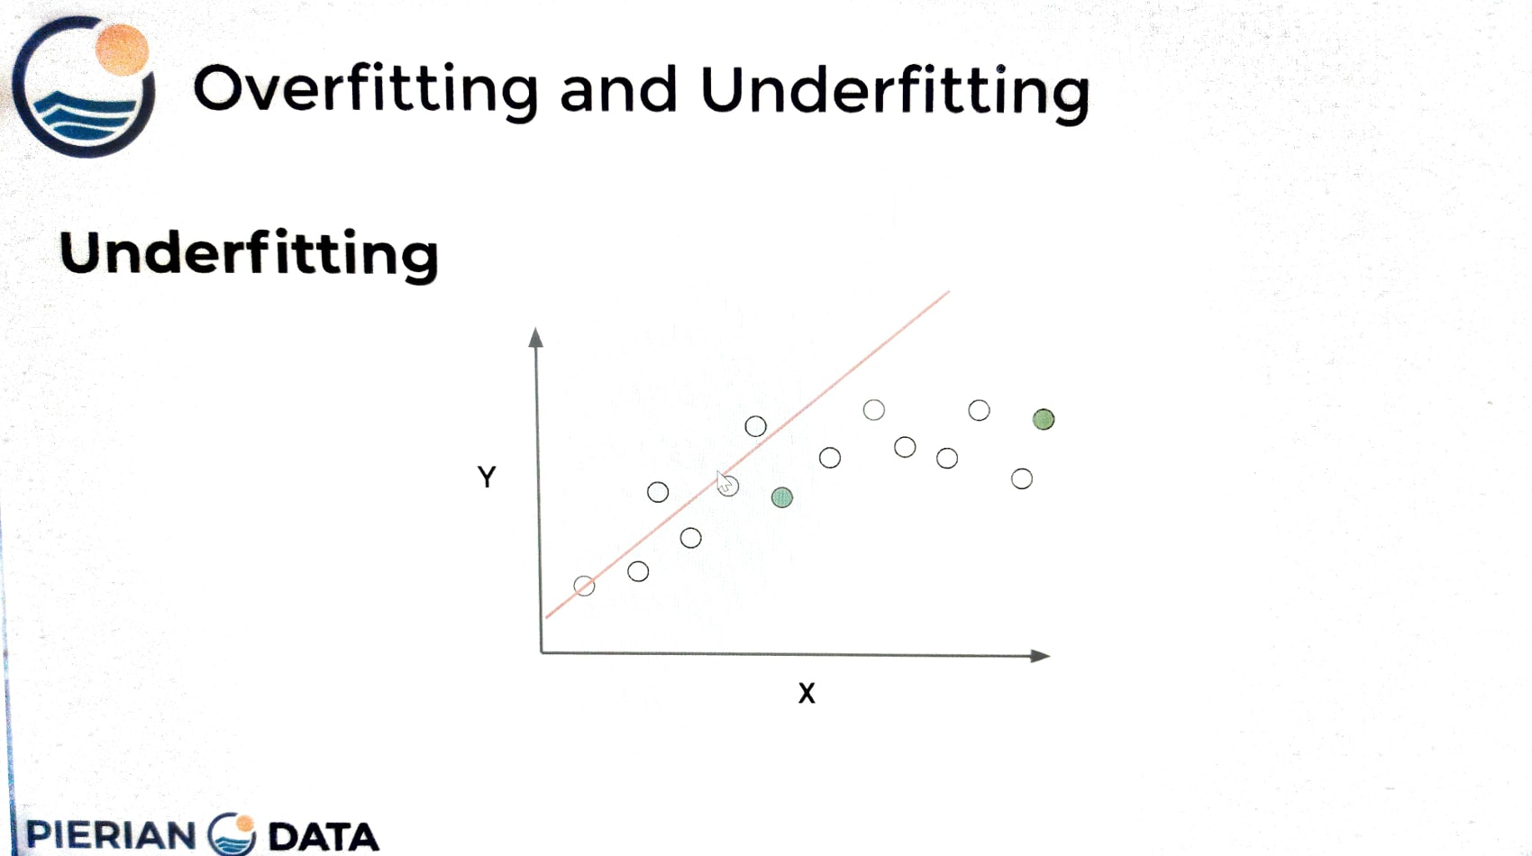

 | ⇰REFERENCE (Website)--> Research Gate Regarding Snapshot of Bias Variance Tradeoff (Underfitting vs Overfitting) as well as Various Model Complexity Having Varied Type of Fitting (Good Fit vs Bad Fit vs Overfit)

 | ⇰REFERENCE (Website)-->Data Science Tutorials Regarding Bias Variance Trade Off (Screenshot) of Bias Variance Tradeoff

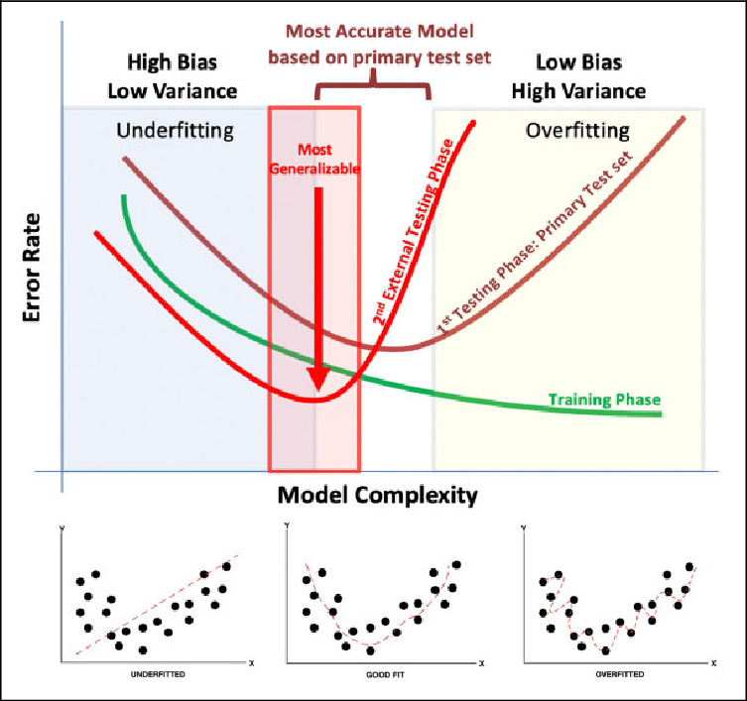

 | ⇰REFERENCE (Website)-->Geeks for Geeks Regarding Visualization of Bias Variance Trade off

 | ⇰REFERENCE (Website)-->Udemy Regarding Polynomial Regression & Creation of Polynomial Features & Various Hyper Parameters

 | ⇰REFERENCE (Website)-->Scikit Learn Regarding Various Hyper Parameter For Polynomial Feature

 | ⇰REFERENCE (Website)-->Medium Regarding Overall Definition & Thereotical Implementation of Bias Variance Trade off & Porper Meaning of Bias &Variance

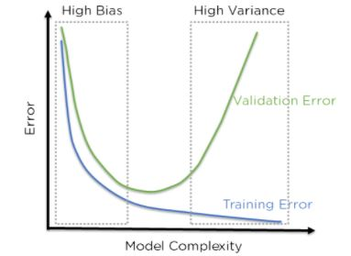 | ⇰REFERENCE (Website)-->Analytics Vidhya Regarding Practical Implementation or Understanding By Figures Regarding Meaning of BIAS -VARIANCE TRADEOFF

Choosing Poly Degree Model
3. CHOOSING A PROPER POLYNOMIAL (DEGREE) MODEL | REFERENCE

①WHY DO WE NEED ERROR VS MODEL COMPLEXITY (TRAINING & VALIDATION (TEST SET) ? | ⇰REFERENCE (Website)-->(Google Colab) 1.11 (ii) Random Forest Regression Regarding DataSet Borewell Csv in Which It have Single Feature & Single Output That's why it is Possible For Visualization

⇰Data set which have Single Feature (X1) & Single Output (Y ) very easy to visualize (We have Seen in Random Forest & in Udemy Polynomial Regeression) because we only had one X feature, but what do we actually do in order to see under fitting versus overfitting when we're dealing with multi dimensional data sets? ⇰Basically in Simple Word If I have more than one x value at a certain point, it's going to be impossible for me to plot out the model itself against the training data and test data sets, in which case I'm not going to be able to visually tell if my model is overfitting or under fitting.So what then I have to do is actually plot out my error versus my model complexity.

 | ⇰REFERENCE (Website)-->Udemy Video Regarding BIAS -VARIANCE TRADEOFF 's Thereotical Knowledge as well as How to Choose a Right Poly Degree (Complexity) & Minimum Bias in Model

②WHAT IS ERROR VERSUS MODEL COMPLEXITY ?

⇰ERROR --> Basically Mean BIAS= (Ytrue - Y prediction) Or Difference in Between True Value & Prediction Value , Higher The Difference Higher is Bias , Model Accuracy will be Lower, Lesser the Difference Lesser is Bias & Model Accuracy will be Higher too. ⇰COMPLEXITY--> model complexity is a general term that is going to apply to more than just polynomial regression.In the case of polynomial regression, when we say a model is more complex, that means it's a higher order Degree polynomial.

③PLOTTING ERROR VS MODEL COMPLEXITY (UNDERSTANDING WITH DIFFERENY TYPE OF MODEL (GOOD VS BAD MODEL) ? | ⇰REFERENCE (Website)--> Data Analytics Regarding Thereotical Explanation of Model Complexity & Overfitting Imperativeness in Machine Learning & Things Need to Consider While Creating Polyonimial Model

❶GOOD MODEL-->Let's imagine what we think about when we think about a good performing model.A really good model would, as you increase model complexity, have a lower error.This is the ideal situation.It's going to be unlikely to be this perfect in the real world, but it's the ideal.As you increase the complexity, your error goes lower.And for the polynomial regression case, that would be your polynomial degree.As you increase the degree of your polynomial, your error is going to go down in general.

❷We want to keep in mind the relationship of model performance on the training set versus model performance on the test or validation set.where you get these two curves and eventually you'll notice the test set starts to increase an error as your model complexity starts to increase as well.Ideally the model will perform well on both.As seen here, this is more or less kind of the best situation where you do perform slightly better on the training set because it is data your model has seen before, but you get similar performance on the test set. This is kind of the ideal situation.
 | ⇰REFERENCE (Website)-->Medium by Anna Sajee Regarding Model Complexity, Accuracy and Interpretability & It's Implementation & Impact on Different Type of Models Like Linear Regr, KNN, Random Forest,SVM, Decision Tree (DT)

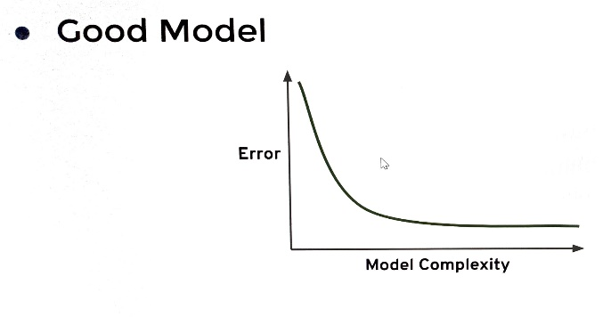 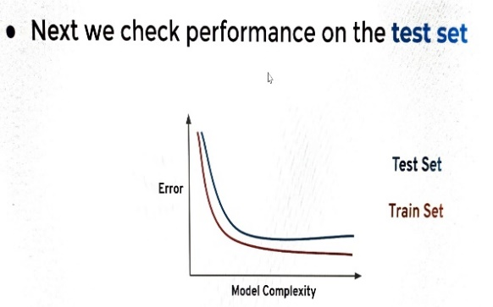
 | ⇰REFERENCE (Website)--> Medium By Kushwant Rai Regarding Assessing the Performance (Types and Sources of Error) in Machine Learning & Understanding Them With Different Models Via Charts

❷Bad Model-->A bad model would actually have an increase in error as you increase the complexity of the model.So when we're thinking about overfitting and under fitting, we want to keep in mind the relationship of model performance on the training set versus model performance on the test or validation set.
 | ⇰REFERENCE (Website)-->Udemy Video Regarding BIAS -VARIANCE TRADEOFF 's Thereotical Knowledge as well as How to Choose a Right Poly Degree (Complexity) & Minimum Bias in Model

④What happens if you're actually overfitting on the training data?That means you would perform poorly on new test data ? | ⇰REFERENCE (Website)-->Udemy Video Regarding BIAS -VARIANCE TRADEOFF 's Thereotical Knowledge as well as How to Choose a Right Poly Degree (Complexity) & Minimum Bias in Model

⇰So the way you can check for overfitting of your model is to simply plot out model complexity versus error for both the test set and the training set & realistically, you're going to get something that looks like this, that at a certain level of model complexity, you're actually overshooting and your error begins to rapidly expand for the test set ,data set, and you should decide on a certain cutoff point.So it's a good indication where your test set error starts to increase while your training set error starts to still decrease is where you should determine the appropriate value.

 | ⇰REFERENCE (Website)--> Data Analytics Regarding Thereotical Explanation of Model Complexity & Overfitting Imperativeness in Machine Learning & Things Need to Consider While Creating Polyonimial Model
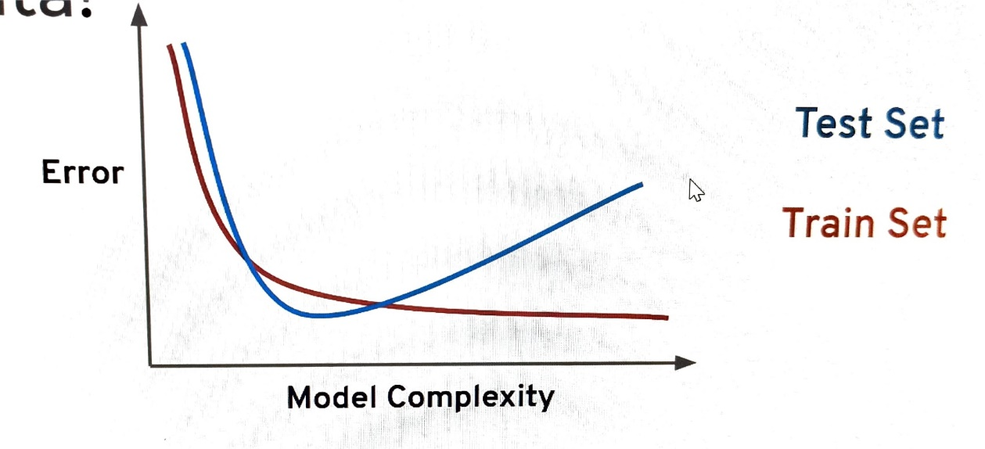

 | ⇰REFERENCE (Website)--> Medium By Kushwant Rai Regarding Assessing the Performance (Types and Sources of Error) in Machine Learning & Understanding Them With Different Models Via Charts

⑤PRACTICAL IMPLEMENTATION (PLOTTING ERROR VS MODEL COMPLEXITY) IN 1.3 (GOOGLE COLAB) ML (POLYNOMIAL REGRESSION)

❶What if Range for Polynomial Degree Falls in Between 0 to 6 While Creating Model For Polynomial Regression ? | ⇰REFERENCE (Website) --> 1.3 (Google Colab) ML Polynomial Regression Regarding Practical Implementation (Coding) of Plotting Error vs Model Complexity of TRAINING & VALIDATION TEST SET & Checking ERROR Against Complexity (Poly Degree) Range in between 0 to 6

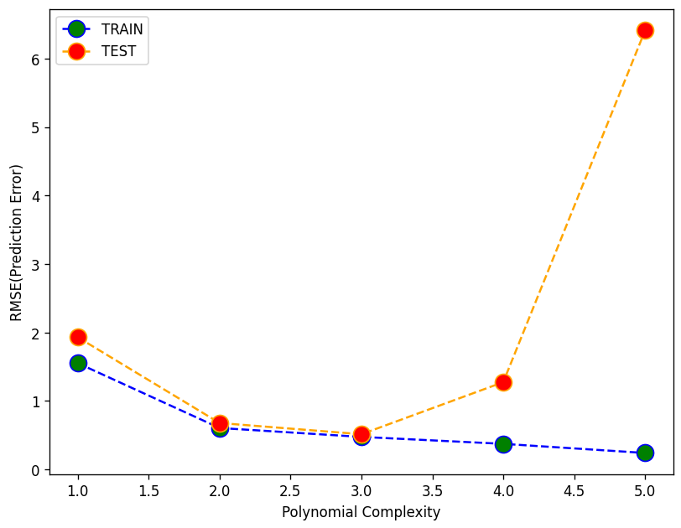

 | ⇰REFERENCE (Website)-->Udemy Video Regarding BIAS -VARIANCE TRADEOFF 's Thereotical Knowledge as well as How to Choose a Right Poly Degree (Complexity) & Minimum Bias in Model

 | ⇰REFERENCE (Website)-->Medium by Anna Sajee Regarding Model Complexity, Accuracy and Interpretability & It's Implementation & Impact on Different Type of Models Like Linear Regr, KNN, Random Forest,SVM, Decision Tree (DT)

❷ What happens if you're actually overfitting on the training data? That means you would perform poorly on new test data & What if Ranges Increment from (0 to 6 )to (0 to 10) ? | ⇰REFERENCE (Website) --> 1.3 (Google Colab) ML Polynomial Regression Regarding Practical Implementation (Coding) of Plotting Error vs Model Complexity of TRAINING & VALIDATION TEST SET & Checking ERROR Against Complexity (Poly Degree) Range Increased From 0 to 6 to 0 to 10 & Due to Overfitting How Test (Validation Set) Result Spike up Against Training Set When Model Complexity (Poly Degree=8)

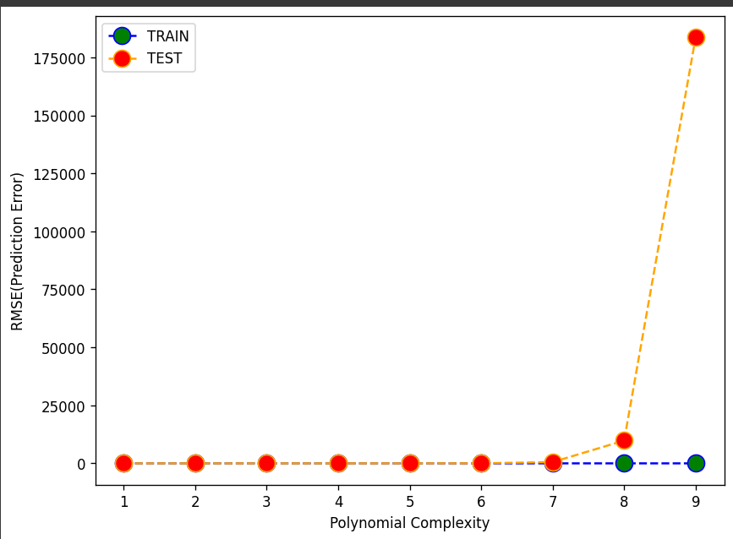

 | ⇰REFERENCE (Website)-->Udemy Video Regarding BIAS -VARIANCE TRADEOFF 's Thereotical Knowledge as well as How to Choose a Right Poly Degree (Complexity) & Minimum Bias in Model

Param for Poly Regression
E. Polynomial Regression's Hyper Parameters , Attributes & Methods | REFERENCE

 | ⇰REFERENCE (Website)--> Scikit Learn Regarding Various Hyper Parameters Available For Model (Polynomial Feature) in Polynomial Regression

① PARAMETERS FOR POLYNOMIAL REGRESSION

⇰degree:int or tuple (min_degree, max_degree), default=2 ❶ If a single int is given, it specifies the maximal degree of the polynomial features. If a tuple (min_degree, max_degree) is passed, then min_degree is the minimum and max_degree is the maximum polynomial degree of the generated features. ❷Basically inSimple Word Means degree is just to what order do you want to take the polynomial? As you can imagine, if you say degree is equal to two (degree=2), that means you'll also consider the squared terms of your features .So TV spend squared [X1]², Radio spend squared [X2]² and newspaper spend squared [X3]². | ⇰REFERENCE (Website)-->Udemy Regarding Polynomial Regression & Creation of Polynomial Features & Various Hyper Parameters

 | ⇰REFERENCE (Website)-->Kaggle CSV Regarding Understanding Dataset --> Advertisement Csv

⇰interaction_only:bool, default=False ❶Let's also now consider the interaction terms.Interaction terms just means that what happens if two features are only significant when they're in sync with one another ? And this is sometimes known in the business world as synergy. ❷Let's Learn With Example So for example, perhaps newspaper advertising spend by itself is not effective, but it greatly increases the effectiveness if added to an additional TV advertising campaign.For example, consumers only watching a TV advertisement will create some sales, but consumers who maybe watch a TV advertisement and are later reminded of this through an additional newspaper advertisement could actually contribute even more sales than if you had only used TV or newspaper on their own. ❸What's nice about polynomial features is it's also going to create interaction terms for you.So it's going to create TV Times Radio[X1*X2], TV Times newspaper [X2*X3] and Radio Times newspaper [X3 *X4] & sometimes people don't actually want to explore the higher degrees.They only want the additional interaction terms. ∎POINT TO REMEMBER-->Polynomial Feature is Not a Machine Learning Model It's Just A Feature Convertor (Obviously By Introducing Model Complexity (Remember interaction in between various feature)

 | ⇰REFERENCE (Website)--> Scikit Learn Regarding Various Hyper Parameters Available For Model (Polynomial Feature) in Polynomial Regression

 | ⇰REFERENCE (Website)--> Medium (By Animesh Agarawal) Regarding Overall Implementation Coding in Polynomial Regression

 | ⇰REFERENCE (Website) -->(1.1)Linear Regression Regarding Practical Implementation of Dataset ADVERTISEMENT CSV

 | ⇰REFERENCE (Website)-->(1.2) Linear Regression Regarding Practical Implementation of Dataset ADVERTISEMENT CSV

⇰include_bias:bool, default=True ❶If True (default), then include a bias column, the feature in which all polynomial powers are zero (i.e. a column of ones - acts as an intercept term in a linear model). ❷Basically in Simple Words Keeping In n practice, when you write Python code, and you use PolynomialFeatures together with sklearn.linear_model.LinearRegression, the latter takes care by default of adding a column of 1s (since in LinearRegression the fit_intercept parameter is True by default), so you don't need to add it as well in PolynomialFeatures. Therefore, in PolynomialFeatures one usually keeps include_bias=False. The situation is different if you use statsmodels.OLS instead of LinearRegression ❸Remember [X1]⁰ =1 | ⇰REFERENCE (Website)-->Stackoverflow Regarding Overall Implementation & Coding of Hyper Parameter include_bias & Thereotical Definition

 | ⇰REFERENCE (Website)--> Scikit Learn Regarding Various Hyper Parameters Available For Model (Polynomial Feature) in Polynomial Regression

 | ⇰REFERENCE (Website)-->Udemy Regarding Polynomial Regression & Creation of Polynomial Features & Various Hyper Parameters

⇰order:{‘C’, ‘F’}, default=’C’ ❶Order of output array in the dense case. 'F' order is faster to compute, but may slow down subsequent estimators.

 | ⇰REFERENCE (Website)-->1.3 ML (Polynomial Regression) Regarding Conceptual & Practical Implementation (Coding) Of Polynomial Features

METHODS OF POLYNOMIAL REGRESSION

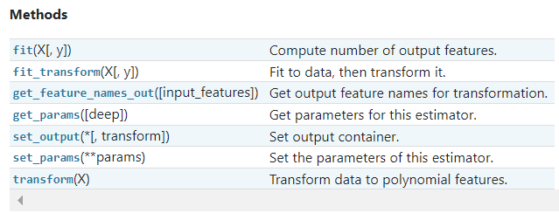 | ⇰REFERENCE (Website)--> Scikit Learn Regarding Various Attributes Available For Model in Polynomial Regression

∎DIFFERENCE IN BETWEEN fit & fit_transform METHOD

∎fit & transform () | ⇰REFERENCE (Website)--> Scikit Learn Regarding Methods & Specifically Difference in Between fit & transform Method & fit_transform
⇰fit(X, y=None) ❶The fit() method helps in fitting the data into a model. Compute number of output features.

⇰transform(X) ❶Transform data to polynomial features.

⇰The fit() method helps in fitting the data into a model, transform() method helps in transforming the data into a form that is more suitable for the model. Fit_transform() method, on the other hand, combines the functionalities of both fit() and transform() methods in one step. Understanding the differences between these methods is very important to perform effective data preprocessing and feature engineering. ⇰In general, many tools within Scikit Learn learn ask you to first fit to the data in order to define the data range that you're going to be using & then if you actually transform the data to some other data set, it will ask you to transform it. So there is this fit & transform functionality happening here in two steps because it's so common to fit and transform on the exact same data set.There's also a fit_transform method. | ⇰REFERENCE (Website)--> Analytics Vidhya Regarding Difference Between fit(), transform(), and fit_transform() Methods in Scikit-Learn

 | ⇰REFERENCE (Website)-->Google Colab (1.3 ML Polynomial Regression ) Regarding Practical Implementation &Coding of Method fit as well transform method

∎fit_transform ()
⇰fit_transform(X, y=None, **fit_params**) ❶Fit to data, then transform it.Fits transformer to X and y with optional parameters fit_params and returns a transformed version of X. ❷fit_transform() method, on the other hand, combines the functionalities of both fit() and transform() methods in one step. Understanding the differences between these methods is very important to perform effective data preprocessing and feature engineering . ❸So you can also do here is say polynomial_converter, fit_transform, and it essentially does both steps at the same time.And in this case, fit is not really doing much.It's just analyzing what degree you want to go to and then taking in all the data transform is where the work is actually happening as far as creating a new data set And so Fit Transform will run the exact same thing we just saw earlier in one single step. ❹So you can either call fit on one line, then transform on another, or call fit transform to get the actual object returned in one line.Keep in mind that if you just call fit, it's not actually going to return anything.Nothing's return until you actually call transform & that's it for using polynomial features. | ⇰REFERENCE (Website)--> Scikit Learn Regarding Methods & Specifically Difference in Between fit & transform Method & fit_transform

 | ⇰REFERENCE (Website)--> Analytics Vidhya Regarding Difference Between fit(), transform(), and fit_transform() Methods in Scikit-Learn

So Basically Fit and Transform Become so common That they can used simultaneously or cohesively Or in next step we had seen they can used one after another First Fit(X) and then transform function.

 | ⇰REFERENCE (Website)-->Google Colab (1.3 ML Polynomial Regression ) Regarding Practical Implementation &Coding of Method fit_transform method

⇰set_params(params) ❶Set parameters of this estimator . ❷In simple words set_params (Setting or Readjusting any Hyper Parameter again with New Param) ,We can Perform Readjustment or Reconfiguration of any Hyper Parameter for Given Model & then Re-run the Model. | ⇰REFERENCE (Website)-->Scikit Learn Regarding Methods of Polynomial Regression

 | ⇰REFERENCE (Website)-->Google Colab (1.3 ML Polynomial Regression ) Regarding Practical Implementation (Coding) of Methods (set_params)

⇰get_params(deep=True) ❶Get parameters for this estimator. ❷deep:bool, default=True , If True, will return the parameters for this estimator and contained sub objects that are estimators. Parameter names mapped to their values in dict format . ❸ In 2nd Instance we had seen that we Create get_params by using calling keys & display result in in List Format | ⇰REFERENCE (Excel Sheet)-->2.1 Excel Sheet Linear Regression Regarding Practical Implementation of Method get_params()

 | ⇰REFERENCE (Website)--> (1.3Google Colab ML Polynomial Regression Regarding Practical Implementation & Coding in get_params (dict format)

∎In This Google Colab (1.2 Polynomial Regression) Create get_params in List Format
 | ⇰REFERENCE (Website)-->(1.3 Google Colab ML Polynomial Regression Regarding Practical Implementation & Coding in get_params (dict format) & Calling keys corresponds to method get_params(list format )

③ ATTRIBUTES OF POLYNOMIAL REGRESSION

 | ⇰REFERENCE (Website)--> Scikit Learn Regarding Various Attributes Requisite for Polynomial Regression

⇰n_features_in_:int ❶Number of features seen during fit. Well in This Case Remember After Attaining Degree =2 , If you take a look at the first three values, those are actually just our original feature terms [X1=TV, X2=Radio , X3=Newspaper] While Rest 6 Feature Is Basically Interaction Terms Like (X4= TV * Radio) & (X5=Radio * Newspaper) & (X6=Newspaper * TV) & (X7 = Radio²) & (X8=TV²) & (X9=Newspaper²) That's why There is Total 9 Features | ⇰REFERENCE (Website)-->Udemy (Polynomial Regression Regarding Conversion & Creation of Multiple Feature From Original A,B Feature

 | ⇰REFERENCE (Website)--> Scikit Learn Regarding Various Attributes Requisite for Polynomial Regression

 | ⇰REFERENCE (Website)--> 1.3Polynomial Regression Regarding Practical Implementation (Coding) of Attributes of n_features_in_

⇰feature_names_in_:ndarray of shape (n_features_in_) ❶Names of features seen during fit. Defined only when X has feature names that are all strings. ❷WARNING --> This Attributes Works Only When X has Feature names that are all strings (Original Feature) . If model have Interaction Based Feature Like (X1*X2) (Tv * Radio) This Attributes unable to Gives Output As we have seen in Google Colab (Linear Regression). | ⇰REFERENCE (Website)--> Scikit Learn Regarding Various Attributes Requisite for Polynomial Regression

 | ⇰REFERENCE (Website)--> 1.2 (Google Colab) Linear Regression Regarding Practical Implementation (Coding ) of Attributes features_names_in

 | ⇰REFERENCE (Website)--> 1.3 Google Colab Polynomial Regression Regarding Attributes (Coding) feature_names_in_

Saving Model
4. Model Persistence (Saving and Loading a Model) By Joblib Method

⇰REFERENCE (Website)->Scikit Learn Regarding Model Persistence (Saving & Loading of Model) By Joblib Method

⇰REFERENCE (Website)-> (1.2)Linear Regression)Google Colab Regarding Usage of Model Persistence (Saving & Loading of Model) By Joblib Method

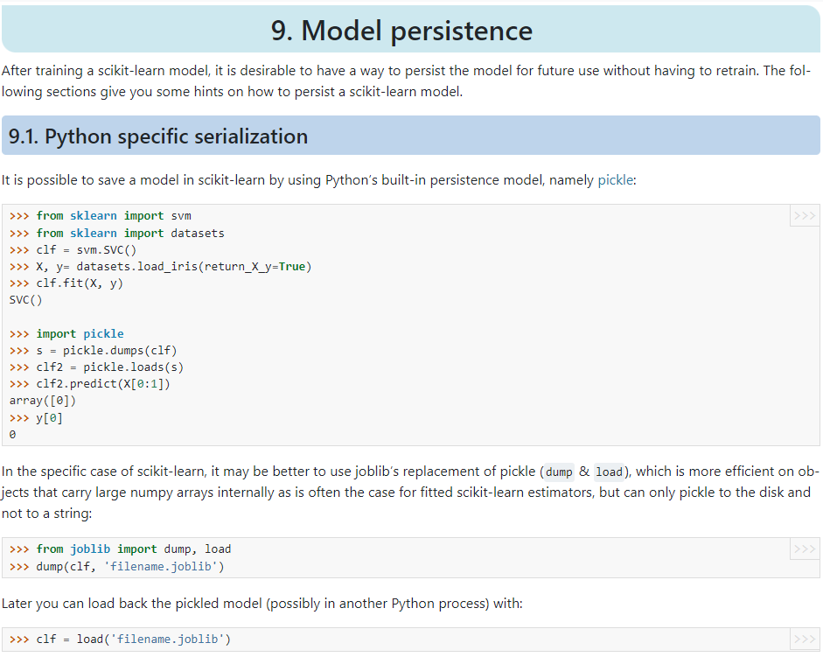

JOBLIB PYTHON LIBRARY

⇰REFERENCE (Website) --> Joblib Python Library For Overall Model deployment & it's Usage & it's Prediction for New Test Data

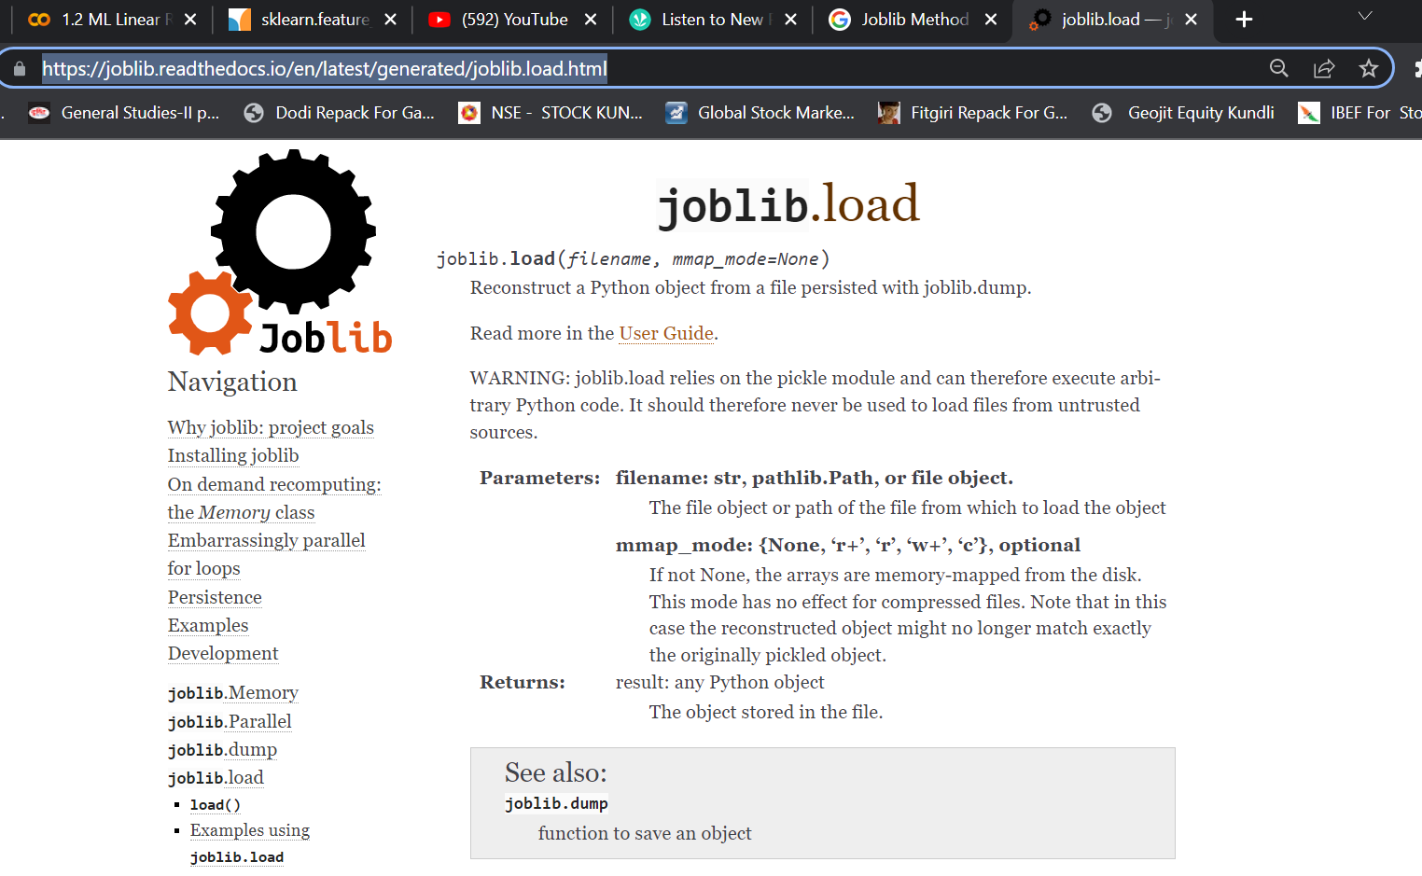 | ⇰REFERENCE (Website)-->Joblib Python Library Regarding All Parameters of Joblib

 | ⇰REFERENCE (Website)--> Joblib Python Library Regarding Parameters of Joblib.load()

 | ⇰REFERENCE (Website)--> Joblib Python Library Regarding Parameters of Joblib.Dump()

 | ⇰REFERENCE (Website)--> Joblib Python Library Regarding Parameters of Joblib.Parallel()

 | ⇰REFERENCE (Website)-->Joblib Python Library Regarding Parameters of Joblib.load()

